Request
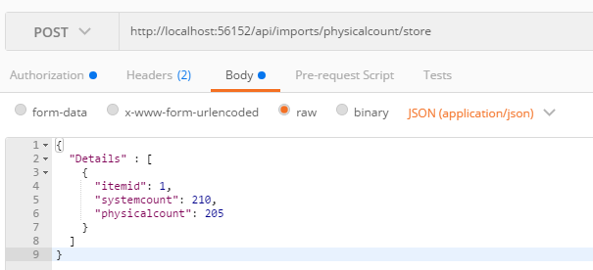
Parameter | Data Type | Length | Required | Unique | Remarks
Token | String |  | Yes |  | Bearer Token see AuthenticateAPI docu
Details | Array |  | Yes
ItemId | Int |  | Yes
SystemCount | Int |  | Yes
PhysicalCount | Int |  | Yes

Example

Response
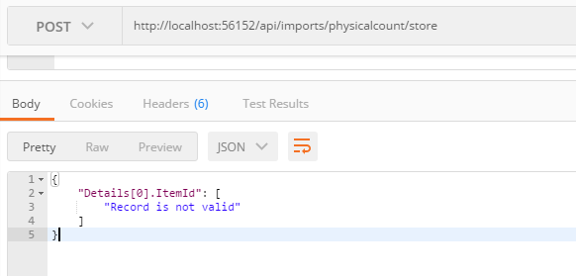
With error

